Sheet3
Product Name | FnSku | Quantity | Packaging image | LINK | Market Prices
Sexy Women's Underwear– 6-Pack | SH01-RD-N1-ONE | 81 | 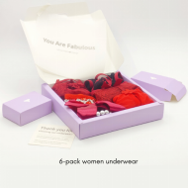 | https://a.co/d/5dmErRq | $29.88(6PACK)
Women’s High-Waisted Modal Underwear | MH01-9026-L | 1 | 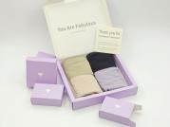 | https://a.co/d/bEsPO9A | $96（4PACK)
 | MH01-9026-XL | 29 |  |  | $96（4PACK)
 | MH01-9026-XXL | 39 |  |  | $96（4PACK)
Women’s Mid-Rise Modal Underwear | MH01-9020-L | 29 | 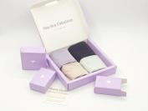 | https://www.nordstrom.com/s/3-pack-matte-micro-briefs/5359230?origin=coordinating-5359230-0-2-MOBI_PDP_1-recbot-vertex_recs_ymal_v2&recs_placement=MOBI_PDP_1&recs_strategy =vertex_recs_ymal_v2&recs_source=recbot&recs_page_type=product&recs_seed=5359234&color=WARM%20BEIGE%2F%20WARM%20BEIGE%2F%20BLACK | $56（4PACK)
 | MH01-9020-XL | 42 |  |  | $56（4PACK)
 | MH01-9020-XXL | 28 |  |  | $56（4PACK)
Seamless Underwear | 01 | 215 | 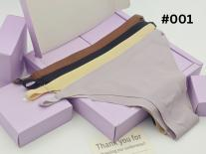 | https://a.co/d/6xSPmsH | $28（4PACK)
 | 01 | 213 |  |  | $28（4PACK)
 | 01 | 218 |  |  | $28（4PACK)
 | 01 | 215 |  |  | $28（4PACK)
 | 01 | 214 |  |  | $28（4PACK)
 | 02 | 14 | 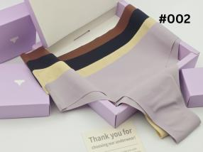 | https://a.co/d/2VZacri | $80（4PACK)
 | 02 | 10 |  |  | $80（4PACK)
 | 02 | 14 |  |  | $80（4PACK)
 | 02 | 14 |  |  | $80（4PACK)
 | 02 | 13 |  |  | $80（4PACK)
 | 03 | 14 | 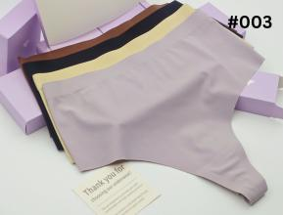 | https://a.co/d/fnSkCBR | $64（4PACK)
 | 03 | 14 |  |  | $64（4PACK)
 | 03 | 15 |  |  | $64（4PACK)
 | 03 | 15 |  |  | $64（4PACK)
 | 03 | 13 |  |  | $64（4PACK)
 | 04 | 146 | 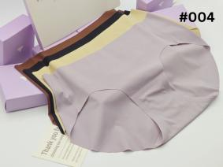 | https://a.co/d/fP3zFST | $32（4PACK)
 | 04 | 157 |  |  | $32（4PACK)
 | 04 | 160 |  |  | $32（4PACK)
 | 04 | 158 |  |  | $32（4PACK)
 | 04 | 159 |  |  | $32（4PACK)
 | 05 | 150 | 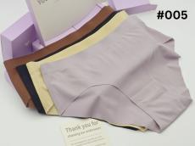 | https://a.co/d/d43zXbD | $48（4PACK)
 | 05 | 150 |  |  | $48（4PACK)
 | 05 | 154 |  |  | $48（4PACK)
 | 05 | 153 |  |  | $48（4PACK)
 | 05 | 153 |  |  | $48（4PACK)
TOTAL |  | 3000

